RED WING
 | RED WING
Photo | Art.-Nr. | Name | Farbe | EU | 36 | 37 | 38 | 39 | 40 | 41 | 42 | 43 | 44 | 45 | 46 | 47 | 48 | Total
 | Ref.No. | Description | Colour

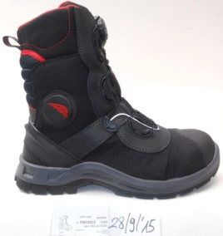 | RW09035 | 3208 Red Wing | schwarz/rosa |  | 5 | 15 | 18 | 20 | 23 | 68 | 109 | 102 | 67 | 34 | 79 | 25 | 3 | 568
TOTAL |  |  |  |  | 5 | 15 | 18 | 20 | 23 | 68 | 109 | 102 | 67 | 34 | 79 | 25 | 3 | 568

